Sheet1
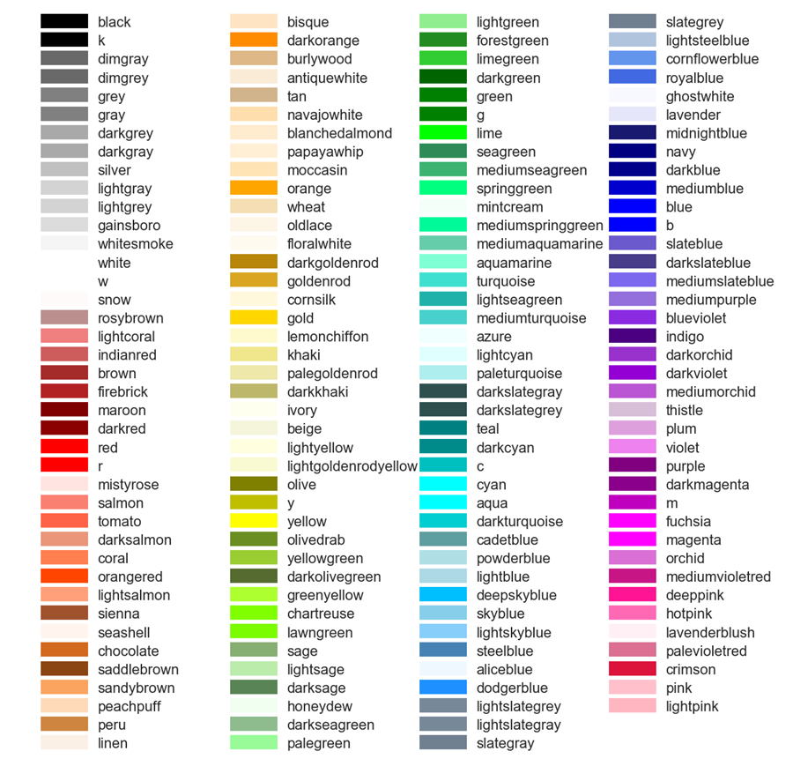
颜色 | 代码 | 颜色 | 代码 | 颜色 | 代码
aliceblue | #F0F8FF | darkmagenta | #8B008B | navy | #000080
antiquewhite | #FAEBD7 | darkolivegreen | #556B2F | oldlace | #FDF5E6
aqua | #00FFFF | darkorange | #FF8C00 | olive | #808000
aquamarine | #7FFFD4 | darkorchid | #9932CC | olivedrab | #6B8E23
azure | #F0FFFF | darkred | #8B0000 | orange | #FFA500
beige | #F5F5DC | darksalmon | #E9967A | orangered | #FF4500
bisque | #FFE4C4 | darkseagreen | #8FBC8F | orchid | #DA70D6
black | #000000 | darkslateblue | #483D8B | palegoldenrod | #EEE8AA
blanchedalmond | #FFEBCD | darkslategray | #2F4F4F | palegreen | #98FB98
blue | #0000FF | darkturquoise | #00CED1 | paleturquoise | #AFEEEE
blueviolet | #8A2BE2 | darkviolet | #9400D3 | palevioletred | #DB7093
brown | #A52A2A | deeppink | #FF1493 | papayawhip | #FFEFD5
burlywood | #DEB887 | deepskyblue | #00BFFF | peachpuff | #FFDAB9
cadetblue | #5F9EA0 | dimgray | #696969 | peru | #CD853F
chartreuse | #7FFF00 | dodgerblue | #1E90FF | pink | #FFC0CB
chocolate | #D2691E | firebrick | #B22222 | plum | #DDA0DD
coral | #FF7F50 | floralwhite | #FFFAF0 | powderblue | #B0E0E6
cornflowerblue | #6495ED | forestgreen | #228B22 | purple | #800080
cornsilk | #FFF8DC | fuchsia | #FF00FF | red | #FF0000
crimson | #DC143C | gainsboro | #DCDCDC | rosybrown | #BC8F8F
cyan | #00FFFF | ghostwhite | #F8F8FF | royalblue | #4169E1
darkblue | #00008B | gold | #FFD700 | saddlebrown | #8B4513
darkcyan | #008B8B | goldenrod | #DAA520 | salmon | #FA8072
darkgoldenrod | #B8860B | gray | #808080 | sandybrown | #FAA460
darkgray | #A9A9A9 | green | #008000 | seagreen | #2E8B57
darkgreen | #006400 | greenyellow | #ADFF2F | seashell | #FFF5EE
darkkhaki | #BDB76B | honeydew | #F0FFF0 | sienna | #A0522D
mediumspringgreen | #00FA9A | hotpink | #FF69B4 | silver | #C0C0C0
mediumturquoise | #48D1CC | indianred | #CD5C5C | skyblue | #87CEEB
mediumvioletred | #C71585 | indigo | #4B0082 | slateblue | #6A5ACD
midnightblue | #191970 | ivory | #FFFFF0 | slategray | #708090
mintcream | #F5FFFA | khaki | #F0E68C | snow | #FFFAFA
mistyrose | #FFE4E1 | lavender | #E6E6FA | springgreen | #00FF7F
moccasin | #FFE4B5 | lavenderblush | #FFF0F5 | steelblue | #4682B4
navajowhite | #FFDEAD | lawngreen | #7CFC00 | tan | #D2B48C
magenta | #FF00FF | lemonchiffon | #FFFACD | thistle | #D8BFD8
maroon | #800000 | lightblue | #ADD8E6 | tomato | #FF6347
mediumaquamarine | #66CDAA | lightcoral | #F08080 | turquoise | #40E0D0
mediumblue | #0000CD | lightcyan | #E0FFFF | violet | #EE82EE
mediumorchid | #BA55D3 | lightgoldenrodyellow | #FAFAD2 | wheat | #F5DEB3
mediumpurple | #9370DB | lightgreen | #90EE90 | white | #FFFFFF
mediumseagreen | #3CB371 | lightgray | #D3D3D3 | whitesmoke | #F5F5F5
mediumslateblue | #7B68EE | lightpink | #FFB6C1 | yellow | #FFFF00
teal | #008080 | lightsalmon | #FFA07A | yellowgreen | #9ACD32
lime | #00FF00 | lightseagreen | #20B2AA | lightsteelblue | #B0C4DE
limegreen | #32CD32 | lightskyblue | #87CEFA | lightyellow | #FFFFE0
linen | #FAF0E6 | lightslategray | #778899

